1_regre_lin_poly
 | Phones (per 1000)

Feuille 1
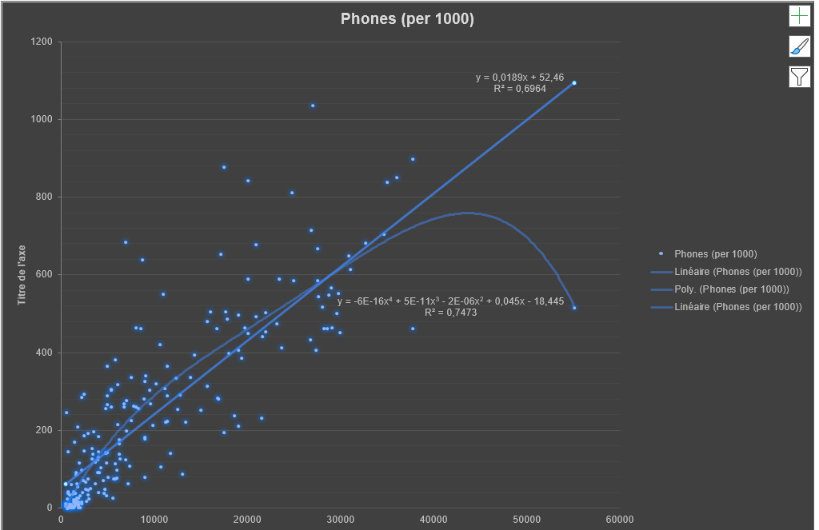

Feuille 2
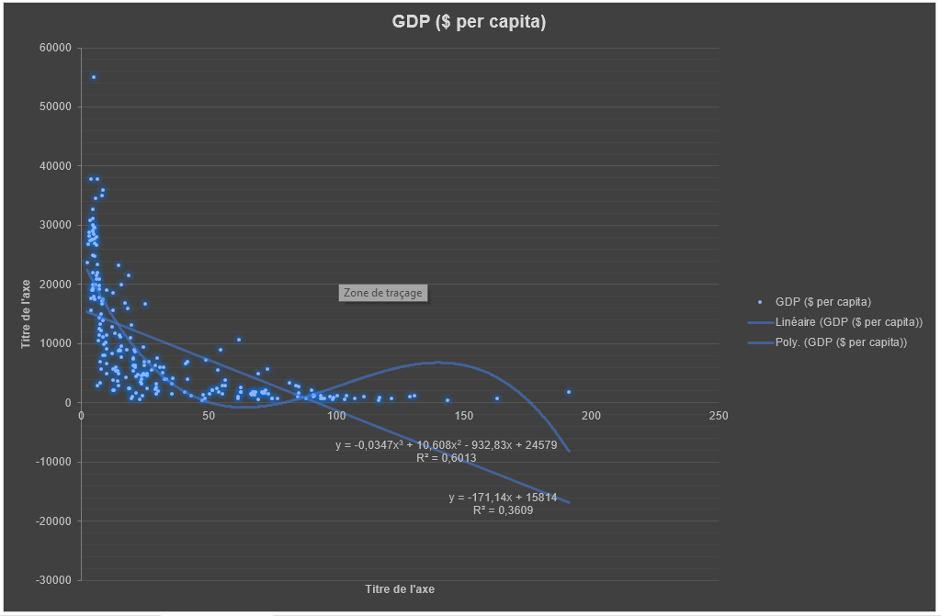

2_regre_lin_poly
 | GDP ($ per capita)

